U13
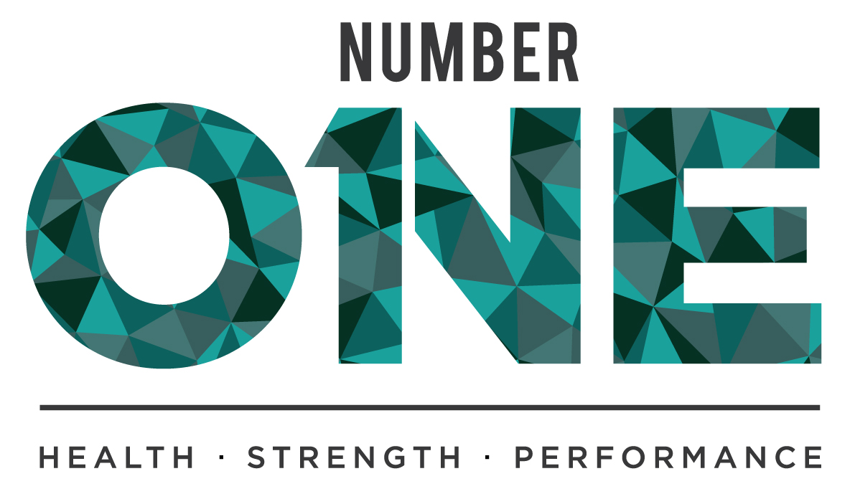
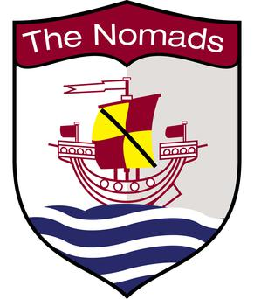
 | Connahs Quay Nomads FC |  |  | Connahs Quay Nomads FC |  |  | Connahs Quay Nomads FC |  |  | Connahs Quay Nomads FC

 | Academy Physical Testing Results |  |  | Academy Physical Testing Results |  |  | Academy Physical Testing Results |  |  | Academy Physical Testing Results

 | U19 / Scholars |  |  | U19 / Scholars |  |  | U19 / Scholars |  |  | U19 / Scholars
 | 30:15 |  |  | 5-0-5 Agility (s) |  |  | Jump (cm) |  |  | 20m Sprint (s)

 | 17.7.17 | 25.5.17 |  | 17.7.17 | 25.5.17 |  | 17.7.17 | 25.5.17 |  | 17.7.17 | 25.5.17

Will Nash | 19.5 | 19 | Tom Norwood | 5.24 | 5.32 | Tom Norwood | 48.3 | 45 | Will Nash | 3.46 | 3.52
Aidan Johnson | 18.5 |  | Matty Dewhurst | 5.42 | 5.22 | Morgan Roberts | 46.9 | 42.5 | Jay Mountain | 3.56 | 3.59
Ben Farley | 18.5 | 17 | Jack Williams | 5.47 | 5.73 | Jay Jay Bell | 46.5 | 49.8 | Jay Jay Bell | 3.57 | 3.43
Jay Mountain | 18.5 | 16.5 | Raffi Endemano | 5.49 | 5.32 | Will Nash | 41.5 | 38.5 | Charlie Davies | 3.61
Tom Norwood | 18.5 | 16.5 | Ben Farley | 5.5 | 5.3 | Jay Mountain | 41.4 | 40 | Tom Norwood | 3.63 | 3.65
Matty Dewhurst | 18 | 17 | Jay Mountain | 5.5 | 5.32 | Charlie Davies | 39.4 |  | Ben Farley | 3.67 | 3.58
Raffi Endemano | 18 | 16.5 | Will Nash | 5.53 | 5.48 | Ben Farley | 38.2 | 41.6 | Ethan Hanson | 3.67 | 3.85
Charlie Davies | 17.5 |  | Morgan Roberts | 5.53 | 5.61 | Raffi Endemano | 38.1 | 41.9 | Ben Hesketh | 3.72 | 3.81
Lucas Jones | 17 | 16.5 | Lucas Jones | 5.6 | 5.46 | Ben Hesketh | 38 | 34.5 | Aidan Johnson | 3.75
Morgan Roberts | 17 | 16.5 | Aidan Johnson | 5.62 |  | Ethan Hanson | 37.6 | 36.2 | Lucas Jones | 3.77 | 3.7
Jack Williams | 17 | 16 | Ethan Hanson | 5.69 | 5.87 | Jack Williams | 37 | 38 | Matty Dewhurst | 3.8 | 3.58
Ethan Hanson | 16.5 | 16 | Ben Malone | 5.7 |  | Matty Dewhurst | 36.9 | 35.3 | Raffi Endemano | 3.82 | 3.09
Ben Hesketh | 16.5 | 14 | Charlie Davies | 5.75 |  | Aidan Johnson | 36.7 |  | Ben Malone | 3.83
Jay Jay Bell | 16 | 16 | Cameron Ellis | 5.75 | 6.13 | Lucas Jones | 36.6 | 39.1 | Morgan Roberts | 3.84 | 3.72
Leon Bennett | 16 | 16 | Jay Jay Bell | 5.86 | 5.58 | Ben Malone | 33 |  | Cameron Ellis | 3.86 | 3.79
Cameron Ellis | 16 | 14 | Leon Bennett | 5.92 | 5.74 | Leon Bennett | 32.2 | 36.6 | Jack Williams | 3.9 | 3.76
Ben Malone | 16 |  | Ben Hesketh | 5.98 | 5.82 | Cameron Ellis | 31.1 | 32.5 | Leon Bennett | 3.96 | 3.87

Team Average | 17.4 | 16.3 | Team Average | 5.62 | 5.56 | Team Average | 38.8 | 39.4 | Team Average | 3.73 | 3.64
Academy Average | 18.46 | 18.26 | Academy Average | 5.32 | 5.31 | Academy Average | 45.40 | 45.60 | Academy Average | 3.43 | 3.37

